Report 1
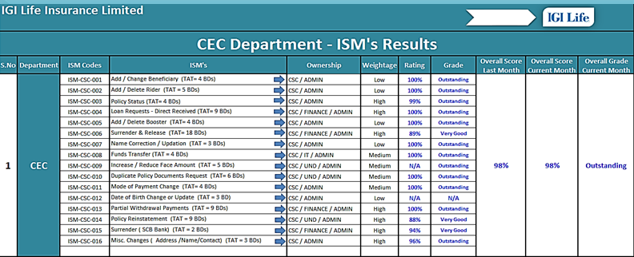
june | 90
july | 95
rating/total ism in department

last month

 |  | Rating Formula = No of Service request received against each ISM's within TAT / Total Service Request Received
 |  | Report Frequency = Daily / Monthly / Quarterly / Yearly
 |  | Grade = Outstanding = 95% and above
 |  | Grade = Very Good = 80% - 94%
 |  | Grade = Average = 71% - 79%
 |  | Grade = Below Average = 70%

